Commands Overview
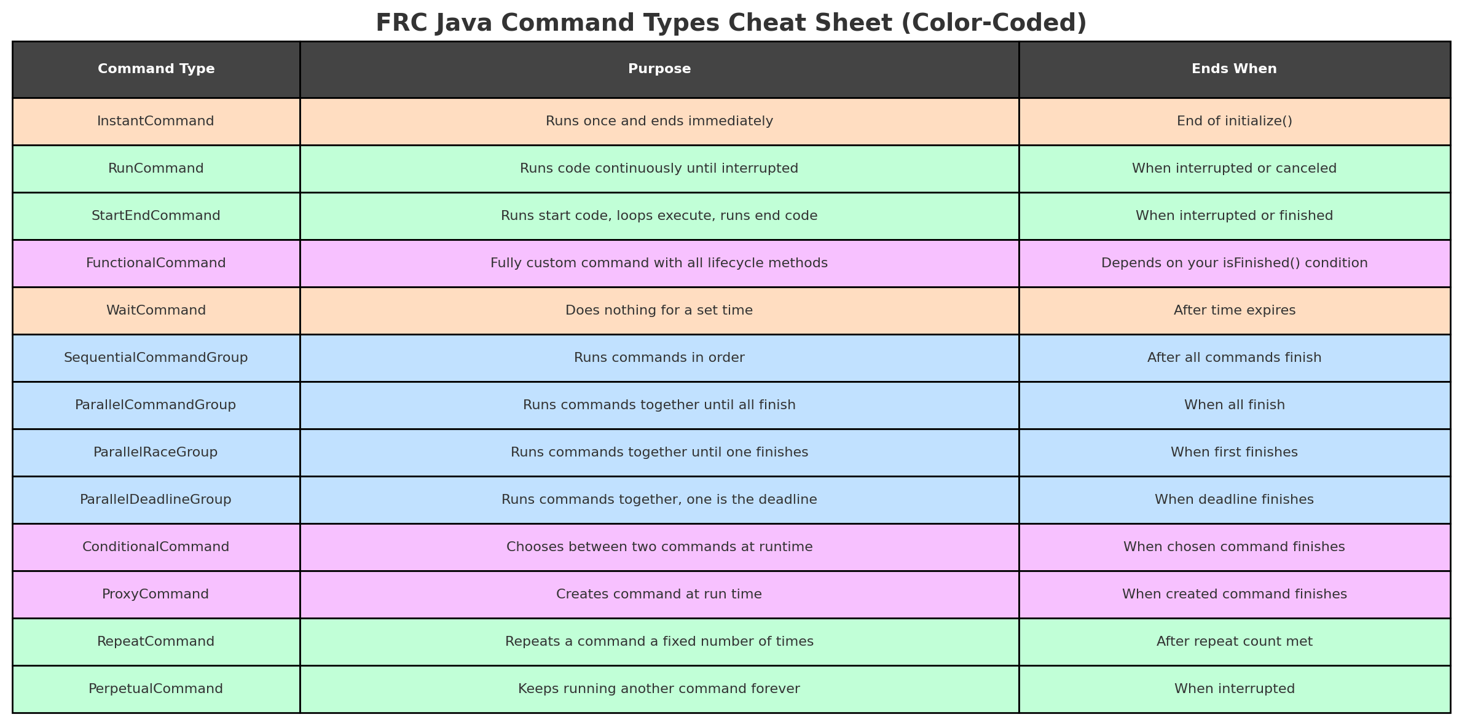
SetDefaultCommand
Color | Meaning
Peach | Runs once
Mint Green | Loops until stopped
Light Blue | Groups other commands
Light Purple | Special/custom logic

